Networkdays
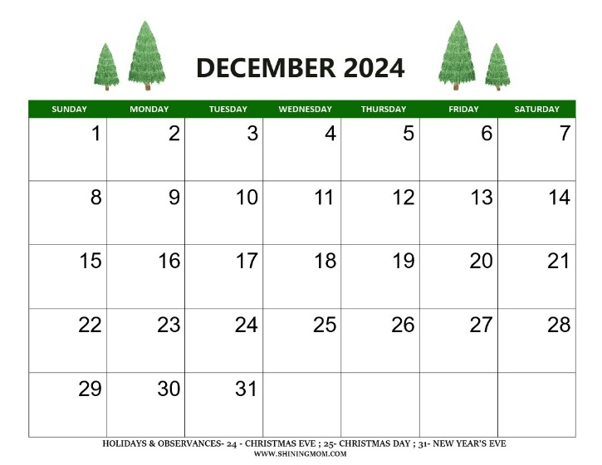
Find out Total working days of Demeber -2024 Months |  | Holidays
2024-12-01 |  | 2024-12-06
2024-12-31 |  | 2024-12-25

 | 20

